Sheet1
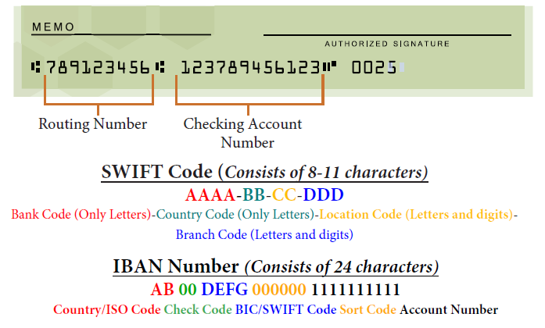
Please complete the following fields required by FIRST Accounts Payable
Payee Details
Payee Name on Account
Payee Address
Remittance Email
Phone number (individual or accounting rep)

Bank Details
Bank Name
Bank Address (must include postal/zip code) |  | Bank Branch Identifier | Currency Supported
Country Bank is located | United States | - | USD
Bank phone number
Account Number
Routing Number:
Swift Code:
IBAN Number (outside the US only)
Currency of Account

Miscellaneous (if applicable)
Tax ID
Internal/Reference Codes (please specify)
Other (please specify)

